Transmit EVM
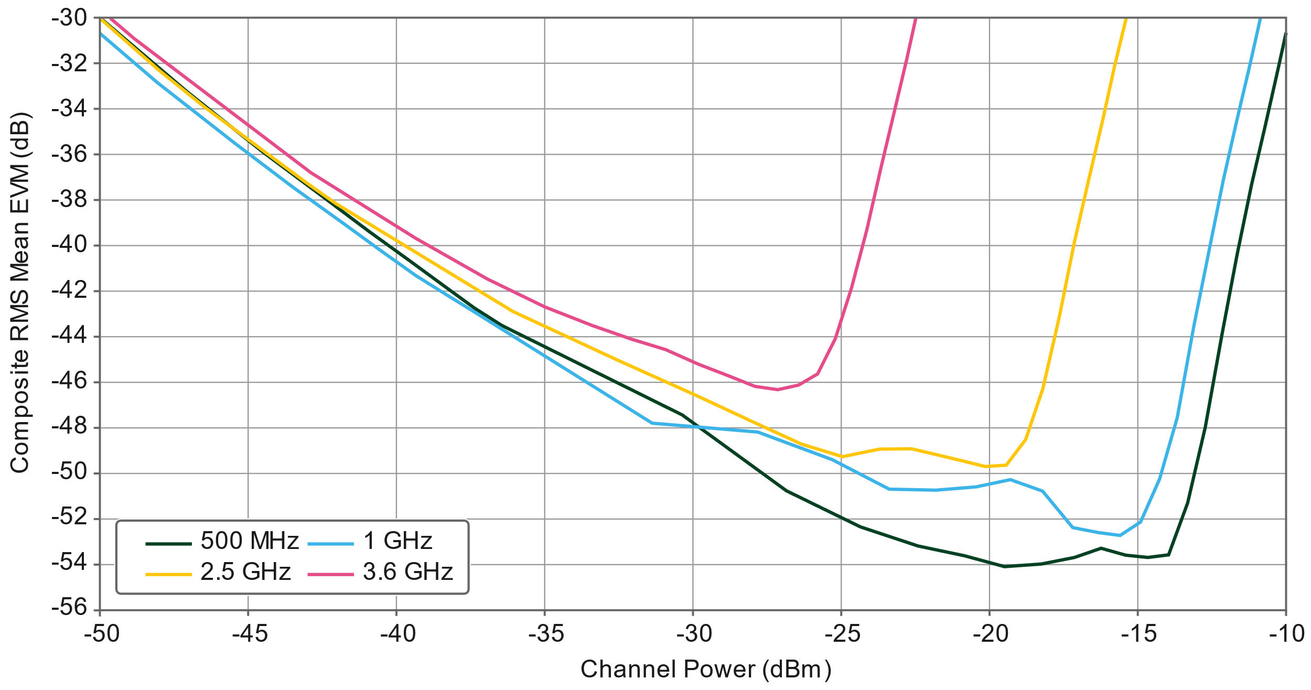
Frequency [MHz] | Power [dBm] | EVM [dB]
500 | -50.73292917 | -29.16383333
500 | -47.04278333 | -33.26608125
500 | -44.51719167 | -35.87285833
500 | -42.50154792 | -37.83955417
500 | -40.92399583 | -39.38892917
500 | -39.55763958 | -40.68689375
500 | -38.37456042 | -41.8045875
500 | -37.36313125 | -42.76677708
500 | -36.45133542 | -43.52989792
500 | -30.3512625 | -47.47928958
500 | -26.82671458 | -50.8225625
500 | -24.33059375 | -52.40655208
500 | -22.39190833 | -53.25324583
500 | -20.80832083 | -53.6905375
500 | -19.46836667 | -54.16337083
500 | -18.22576458 | -54.04717083
500 | -17.10938542 | -53.76103958
500 | -16.21025625 | -53.34535208
500 | -15.38146458 | -53.6593
500 | -14.6225 | -53.7575375
500 | -13.92603125 | -53.64647708
500 | -13.2829875 | -51.3552125
500 | -12.68812708 | -48.00754375
500 | -12.12489375 | -43.95419167
500 | -11.6098375 | -40.40927917
500 | -11.12770208 | -37.3151
500 | -10.66809167 | -34.75290833
500 | -10.24125625 | -32.32438333
500 | -9.845419375 | -29.97680625
500 | -9.463775 | -28.04556042
500 | -9.119108333 | -26.65066042
500 | -8.793094583 | -23.99743333
1000 | -51.80568125 | -28.66072917
1000 | -48.04704375 | -32.85246042
1000 | -45.44671458 | -35.5140125
1000 | -43.47581458 | -37.455275
1000 | -41.85620833 | -38.97610417
1000 | -40.49622292 | -40.26576667
1000 | -39.32659375 | -41.34978125
1000 | -38.30174375 | -42.18607917
1000 | -37.36349375 | -42.93883542
1000 | -31.36742708 | -47.8397625
1000 | -27.80072708 | -48.23523333
1000 | -25.29137292 | -49.44773958
1000 | -23.35448958 | -50.75483333
1000 | -21.77436875 | -50.79321042
1000 | -20.42870208 | -50.64355208
1000 | -19.265625 | -50.32931875
1000 | -18.17995625 | -50.83362292
1000 | -17.16135833 | -52.43522708
1000 | -16.31397917 | -52.65391042
1000 | -15.56088542 | -52.78712917
1000 | -14.87152708 | -52.19232708
1000 | -14.22607083 | -50.30597083
1000 | -13.63293125 | -47.59549375
1000 | -13.07201042 | -43.56206875
1000 | -12.54978542 | -40.16264167
1000 | -12.07490625 | -37.14070208
1000 | -11.61149792 | -34.45015208
1000 | -11.19593333 | -32.114575
1000 | -10.79876875 | -29.81130208
1000 | -10.42666875 | -27.90650208
1000 | -10.07972417 | -26.4204125
1000 | -9.757417292 | -22.82012083
2500 | -52.50924583 | -27.2032
2500 | -49.97847708 | -30.03250417
2500 | -48.02566458 | -32.2797375
2500 | -46.45459167 | -33.93578958
2500 | -45.10109167 | -35.24926875
2500 | -43.96479167 | -36.35783125
2500 | -42.95406042 | -37.32959583
2500 | -42.04658542 | -38.16927917
2500 | -36.0552 | -42.91927917
2500 | -32.57372083 | -45.03556667
2500 | -29.89163333 | -46.6150875
2500 | -27.9663375 | -47.78165417
2500 | -26.30898542 | -48.77078958
2500 | -24.9403125 | -49.31982083
2500 | -23.68926458 | -48.98644375
2500 | -22.61381667 | -48.96910208
2500 | -21.70468125 | -49.2398625
2500 | -20.88261458 | -49.5050125
2500 | -20.12604375 | -49.75019583
2500 | -19.40643958 | -49.68858958
2500 | -18.7522125 | -48.56632292
2500 | -18.16338333 | -46.30866875
2500 | -17.61209167 | -43.11790417
2500 | -17.10577917 | -39.85697917
2500 | -16.61453542 | -37.07193958
2500 | -16.15485 | -34.52769167
2500 | -15.73284167 | -32.04286667
2500 | -15.33485417 | -29.83981458
2500 | -14.96330417 | -27.984925
2500 | -14.61823542 | -26.55188125
2500 | -14.29258125 | -24.56016042
3600 | -50.78054375 | -28.74161458
3600 | -49.76256458 | -29.8827875
3600 | -48.84877708 | -30.90465417
3600 | -42.88513542 | -36.81089792
3600 | -39.3410375 | -39.69459167
3600 | -36.92088542 | -41.49431875
3600 | -34.98160417 | -42.71961667
3600 | -33.37167917 | -43.54423542
3600 | -32.06328333 | -44.13841667
3600 | -30.9101625 | -44.59502708
3600 | -29.78071042 | -45.25322708
3600 | -28.7819 | -45.7525875
3600 | -27.88855625 | -46.2175875
3600 | -27.11889792 | -46.36183125
3600 | -26.42496875 | -46.15706875
3600 | -25.7808 | -45.6685875
3600 | -25.18052917 | -44.11766042
3600 | -24.63308958 | -41.87906458
3600 | -24.11281458 | -39.32988125
3600 | -23.6395625 | -36.5839875
3600 | -23.19125625 | -34.15115833
3600 | -22.77674375 | -31.83913542
3600 | -22.40898958 | -29.69582917
3600 | -22.05150625 | -27.87699792
3600 | -21.71168333 | -26.39887083
3600 | -21.40101042 | -24.262675

Receive EVM
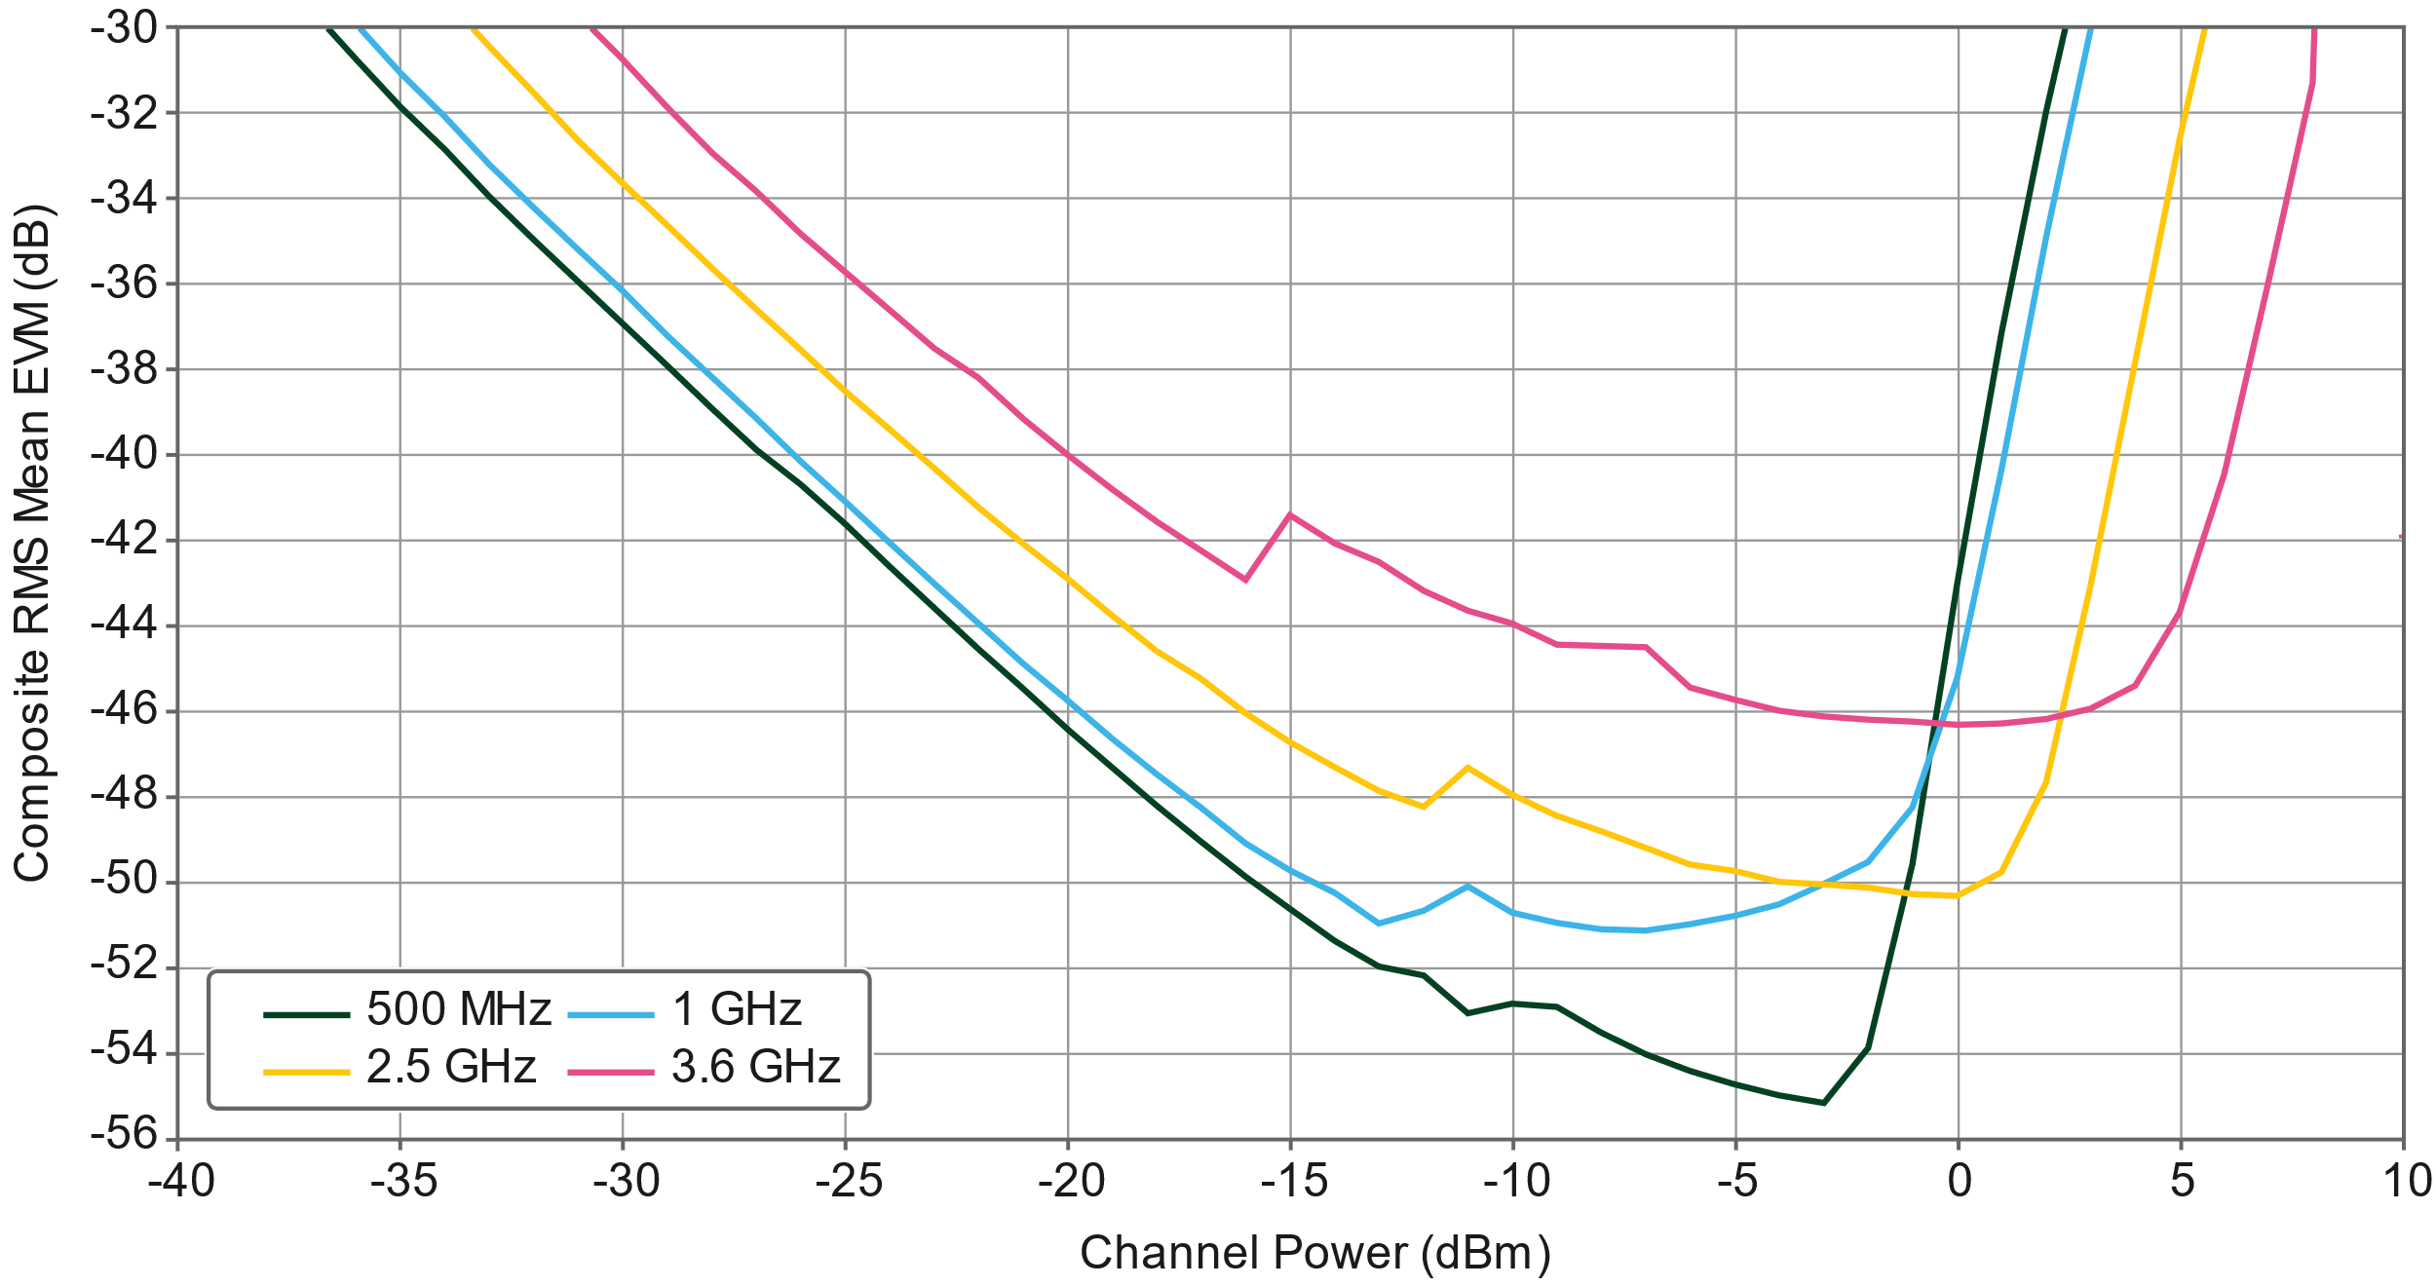
Frequency [MHz] | Power [dBm] | EVM [dB]
500 | -40 | -26.503
500 | -39 | -27.421227083
500 | -38 | -28.4807875
500 | -37 | -29.569552083
500 | -36 | -30.713535417
500 | -35 | -31.82511875
500 | -34 | -32.830216667
500 | -33 | -33.931575
500 | -32 | -34.943847917
500 | -31 | -35.929308333
500 | -30 | -36.917941667
500 | -29 | -37.893295833
500 | -28 | -38.890675
500 | -27 | -39.8606
500 | -26 | -40.66261875
500 | -25 | -41.60036875
500 | -24 | -42.590839583
500 | -23 | -43.57
500 | -22 | -44.521060417
500 | -21 | -45.4576625
500 | -20 | -46.405927083
500 | -19 | -47.306102083
500 | -18 | -48.1917
500 | -17 | -49.022235417
500 | -16 | -49.85731875
500 | -15 | -50.598827083
500 | -14 | -51.351416667
500 | -13 | -51.960491667
500 | -12 | -52.157935417
500 | -11 | -53.045872917
500 | -10 | -52.819689583
500 | -9 | -52.901754167
500 | -8 | -53.494995833
500 | -7 | -54.01609375
500 | -6 | -54.398883333
500 | -5 | -54.707560417
500 | -4 | -54.968283333
500 | -3 | -55.155995833
500 | -2 | -53.864029167
500 | -1 | -49.56924375
500 | 0 | -42.994820833
500 | 1 | -37.141120833
500 | 2 | -31.934660417
500 | 3 | -27.429258333
500 | 4 | -24.951658333
500 | 5 | -12.627775
500 | 6 | -12.043497917
500 | 7 | -11.925302083
500 | 8 | -11.7287375
500 | 9 | -5.1469922917
500 | 10 | -4.4671216667
1000 | -40 | -25.97454375
1000 | -39 | -26.769904167
1000 | -38 | -27.700754167
1000 | -37 | -28.77529375
1000 | -36 | -29.8973
1000 | -35 | -31.030720833
1000 | -34 | -32.062545833
1000 | -33 | -33.169854167
1000 | -32 | -34.194402083
1000 | -31 | -35.180741667
1000 | -30 | -36.155966667
1000 | -29 | -37.1889625
1000 | -28 | -38.158860417
1000 | -27 | -39.124791667
1000 | -26 | -40.126339583
1000 | -25 | -41.078035417
1000 | -24 | -42.033458333
1000 | -23 | -42.994241667
1000 | -22 | -43.92060625
1000 | -21 | -44.862816667
1000 | -20 | -45.730529167
1000 | -19 | -46.621635417
1000 | -18 | -47.456916667
1000 | -17 | -48.235364583
1000 | -16 | -49.074216667
1000 | -15 | -49.696716667
1000 | -14 | -50.2199
1000 | -13 | -50.943314583
1000 | -12 | -50.647758333
1000 | -11 | -50.075220833
1000 | -10 | -50.692489583
1000 | -9 | -50.9288875
1000 | -8 | -51.084402083
1000 | -7 | -51.106645833
1000 | -6 | -50.967714583
1000 | -5 | -50.76675625
1000 | -4 | -50.499329167
1000 | -3 | -50.020666667
1000 | -2 | -49.509354167
1000 | -1 | -48.228997917
1000 | 0 | -45.195264583
1000 | 1 | -40.341566667
1000 | 2 | -34.869754167
1000 | 3 | -30.047770833
1000 | 4 | -26.14303125
1000 | 5 | -24.534729167
1000 | 6 | -12.101595833
1000 | 7 | -12.005247917
1000 | 8 | -11.868302083
1000 | 9 | -11.8884
1000 | 10 | -4.6336185417
2500 | -40 | -22.338314583
2500 | -39 | -25.040104167
2500 | -38 | -25.6127125
2500 | -37 | -26.304916667
2500 | -36 | -27.186652083
2500 | -35 | -28.197683333
2500 | -34 | -29.2937625
2500 | -33 | -30.409791667
2500 | -32 | -31.51145
2500 | -31 | -32.627629167
2500 | -30 | -33.62191875
2500 | -29 | -34.6015875
2500 | -28 | -35.615270833
2500 | -27 | -36.574195833
2500 | -26 | -37.518072917
2500 | -25 | -38.487420833
2500 | -24 | -39.371545833
2500 | -23 | -40.295652083
2500 | -22 | -41.201789583
2500 | -21 | -42.059227083
2500 | -20 | -42.872060417
2500 | -19 | -43.739564583
2500 | -18 | -44.570752083
2500 | -17 | -45.213804167
2500 | -16 | -46.030433333
2500 | -15 | -46.703908333
2500 | -14 | -47.287014583
2500 | -13 | -47.837566667
2500 | -12 | -48.215191667
2500 | -11 | -47.299079167
2500 | -10 | -47.92838125
2500 | -9 | -48.423758333
2500 | -8 | -48.779302083
2500 | -7 | -49.170095833
2500 | -6 | -49.565141667
2500 | -5 | -49.715452083
2500 | -4 | -49.974572917
2500 | -3 | -50.034839583
2500 | -2 | -50.111845833
2500 | -1 | -50.254972917
2500 | 0 | -50.303329167
2500 | 1 | -49.753245833
2500 | 2 | -47.650310417
2500 | 3 | -43.053135417
2500 | 4 | -37.795129167
2500 | 5 | -32.603291667
2500 | 6 | -28.02069375
2500 | 7 | -25.283864583
2500 | 8 | -17.7716
2500 | 9 | -12.0601625
2500 | 10 | -11.968725
3600 | -40 | -15.55252125
3600 | -39 | -20.079660417
3600 | -38 | -20.871596042
3600 | -37 | -22.995185417
3600 | -36 | -24.587345833
3600 | -35 | -25.87973125
3600 | -34 | -26.695464583
3600 | -33 | -27.631485417
3600 | -32 | -28.680133333
3600 | -31 | -29.6783875
3600 | -30 | -30.73316875
3600 | -29 | -31.84315625
3600 | -28 | -32.91371875
3600 | -27 | -33.812770833
3600 | -26 | -34.80211875
3600 | -25 | -35.691272917
3600 | -24 | -36.588916667
3600 | -23 | -37.478095833
3600 | -22 | -38.172835417
3600 | -21 | -39.14300625
3600 | -20 | -39.98225
3600 | -19 | -40.7900875
3600 | -18 | -41.531254167
3600 | -17 | -42.219010417
3600 | -16 | -42.901879167
3600 | -15 | -41.39331875
3600 | -14 | -42.040272917
3600 | -13 | -42.48375
3600 | -12 | -43.155235417
3600 | -11 | -43.61673125
3600 | -10 | -43.925920833
3600 | -9 | -44.42538125
3600 | -8 | -44.442029167
3600 | -7 | -44.4772625
3600 | -6 | -45.430895833
3600 | -5 | -45.717008333
3600 | -4 | -45.969135417
3600 | -3 | -46.099222917
3600 | -2 | -46.178039583
3600 | -1 | -46.217416667
3600 | 0 | -46.2883875
3600 | 1 | -46.2671
3600 | 2 | -46.163183333
3600 | 3 | -45.919208333
3600 | 4 | -45.3853125
3600 | 5 | -43.671416667
3600 | 6 | -40.43016875
3600 | 7 | -35.917266667
3600 | 8 | -31.277208333
3600 | 9 | 0
3600 | 10 | 0

Receive FS
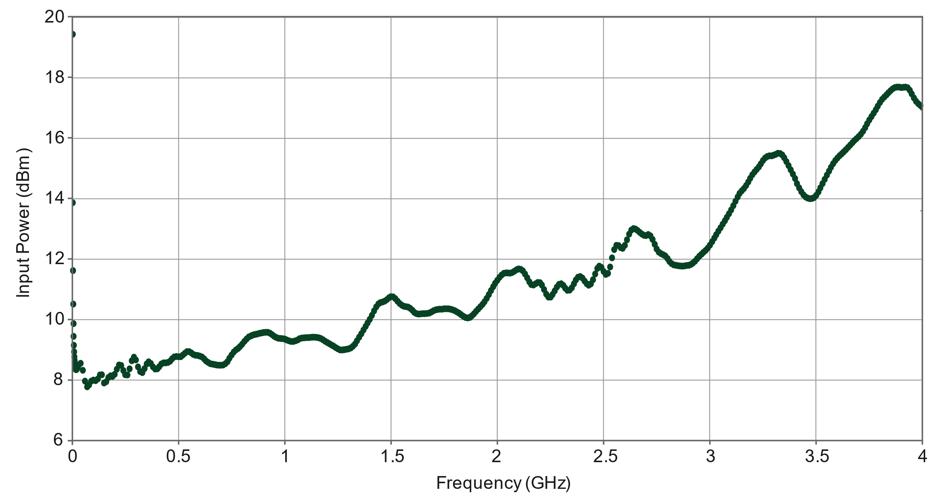
Frequency [GHz] | FS [dB]
0.0096153846154 | 8.3305186972
0.026442307692 | 8.5162846803
0.038461538462 | 8.5669481303
0.045673076923 | 8.3474065139
0.057692307692 | 7.9758745476
0.067307692308 | 7.8238841978
0.081730769231 | 7.9083232811
0.091346153846 | 7.9927623643
0.11057692308 | 7.9927623643
0.125 | 8.1447527141
0.14182692308 | 8.1616405308
0.14663461538 | 7.8914354644
0.16826923077 | 7.9927623643
0.17067307692 | 8.1447527141
0.18990384615 | 8.1616405308
0.20432692308 | 8.246079614
0.21394230769 | 8.3980699638
0.22596153846 | 8.4993968637
0.24038461538 | 8.2629674306
0.26201923077 | 8.1447527141
0.26442307692 | 8.2967430639
0.27163461538 | 8.4149577805
0.28365384615 | 8.6176115802
0.29086538462 | 8.7527141134
0.30048076923 | 8.6513872135
0.30528846154 | 8.4318455971
0.3125 | 8.3474065139
0.33413461538 | 8.3474065139
0.34375 | 8.4487334138
0.35096153846 | 8.5669481303
0.32692307692 | 8.2291917973
0.36778846154 | 8.6176115802
0.37980769231 | 8.3980699638
0.39182692308 | 8.3980699638
0.41346153846 | 8.5162846803
0.4375 | 8.5500603136
0.45913461538 | 8.6682750302
0.48557692308 | 8.7527141134
0.50721153846 | 8.7527141134
0.52163461538 | 8.9047044632
0.55048076923 | 8.9047044632
0.56730769231 | 8.8540410133
0.58894230769 | 8.82026538
0.61057692308 | 8.7358262967
0.62259615385 | 8.6344993969
0.63942307692 | 8.6007237636
0.65865384615 | 8.533172497
0.6875 | 8.4993968637
0.71634615385 | 8.533172497
0.74038461538 | 8.7189384801
0.76682692308 | 8.9553679131
0.79326923077 | 9.1242460796
0.81971153846 | 9.3606755127
0.84134615385 | 9.4788902292
0.86778846154 | 9.5126658625
0.90144230769 | 9.5633293124
0.92788461538 | 9.5464414958
0.94951923077 | 9.4620024125
0.97115384615 | 9.4113389626
0.99759615385 | 9.3606755127
1.0264423077 | 9.2931242461
1.0552884615 | 9.3100120627
1.0745192308 | 9.394451146
1.0985576923 | 9.4113389626
1.1153846154 | 9.4113389626
1.1514423077 | 9.4113389626
1.1778846154 | 9.3606755127
1.2572115385 | 9.0060313631
1.3100961538 | 9.056694813
1.4399038462 | 10.542822678
1.4735576923 | 10.627261761
1.5 | 10.762364294
1.5504807692 | 10.458383595
1.5817307692 | 10.407720145
1.6033653846 | 10.306393245
1.6201923077 | 10.221954162
1.6418269231 | 10.205066345
1.6706730769 | 10.171290712
1.6826923077 | 10.221954162
1.7211538462 | 10.323281062
1.7572115385 | 10.340168878
1.7908653846 | 10.340168878
1.8317307692 | 10.154402895
1.8653846154 | 10.053075995
1.9158653846 | 10.424607961
1.9567307692 | 10.779252111
1.9927884615 | 11.252110977
2.0288461538 | 11.53920386
2.0649038462 | 11.53920386
2.1009615385 | 11.657418577
2.125 | 11.556091677
2.1442307692 | 11.353437877
2.1586538462 | 11.133896261
2.1947115385 | 11.252110977
2.2379807692 | 10.728588661
2.2596153846 | 10.846803378
2.2908653846 | 11.201447527
2.3125 | 11.117008444
2.3317307692 | 10.965018094
2.375 | 11.370325694
2.3894230769 | 11.454764777
2.4254807692 | 11.167671894
2.4399038462 | 11.201447527
2.4783653846 | 11.809408926
2.5048076923 | 11.48854041
2.5216346154 | 11.556091677
2.5480769231 | 12.299155609
2.5552884615 | 12.468033776
2.5697115385 | 12.451145959
2.5841346154 | 12.349819059
2.6201923077 | 12.907117008
2.6418269231 | 13.008443908
2.6971153846 | 12.788902292
2.7211538462 | 12.805790109
2.7572115385 | 12.282267793
2.7908653846 | 12.096501809
2.8173076923 | 11.860072376
2.8653846154 | 11.775633293
2.9230769231 | 11.910735826
2.9879807692 | 12.383594692
3.1274038462 | 14.072376357
3.1826923077 | 14.579010856
3.2427884615 | 15.203860072
3.3004807692 | 15.440289505
3.2596153846 | 15.389626055
3.3341346154 | 15.490952955
3.3581730769 | 15.271411339
3.3798076923 | 14.967430639
3.3942307692 | 14.71411339
3.4158653846 | 14.376357057
3.4399038462 | 14.123039807
3.4855769231 | 14.021712907
3.5192307692 | 14.376357057
3.5793269231 | 15.186972256
3.6754807692 | 15.896260555
3.7163461538 | 16.200241255
3.7980769231 | 17.162846803
3.8629807692 | 17.686369119
3.9278846154 | 17.669481303
3.8966346154 | 17.686369119
3.9663461538 | 17.23039807
3.9951923077 | 17.010856454

Noise PSD
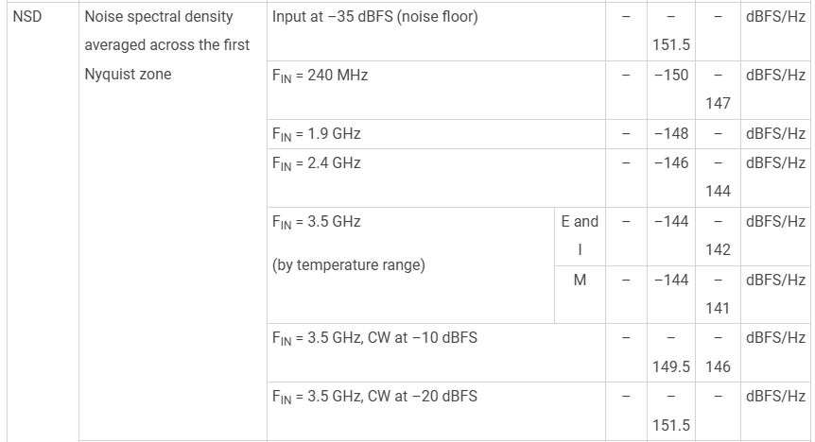
Frequency [GHz] | PSD [dBFS/Hz]
0.24 | -147
1.9 | -148
2.4 | -144
3.5 | -142

Metrics
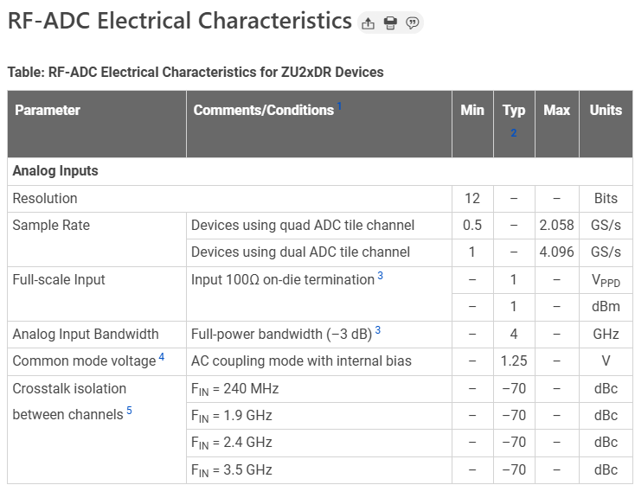
Metric | Value
EVM Measurement BW [MHz] | 100
RF-ADC FS [dBm] | 1
Noise PSD measurement rate [MHz] | 2048

